Saucony
Photo | art.Nr. | Model | Color | Type |  |  |  |  |  |  |  |  |  |  |  |  |  |  |  |  |  |  |  | Quantity | RRP | Whsl €
 |  |  |  |  | 4 | 4.5 | 5 | 5.5 | 6 | 6.5 | 7 | 7.5 | 8 | 8.5 | 9 | 9.5 | 10 | 10.5 | 11 | 11.5 | 12 | 13 | 14
 |  |  |  |  | 36 | 37 | 37.5 | 38 | 38.5 | 39 | 40 | 40.5 | 41 | 42 | 42.5 | 43 | 44 | 44.5 | 45 | 46 | 46.5 | 48 | 49
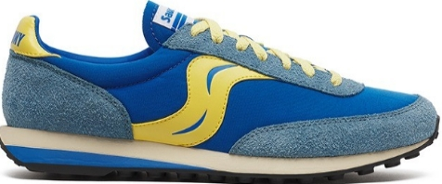 | S70883-1 | TRAINER 80 | BLUE/MUSTARD | UNISEX | 3 | 3 | 7 | 4 | 16 | 6 | 22 | 32 | 50 | 51 | 46 | 52 | 33 | 42 | 35 | 22 | 39 | 39 | 27 | 529 | € 120.00 | € 60.00
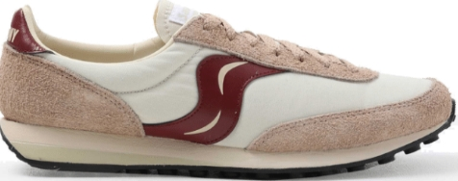 | S70883-2 | TRAINER 80 | BEIGE/BURGUNDY | UNISEX |  |  |  |  | 1 |  | 5 | 2 | 3 | 3 |  | 2 | 2 | 4 | 1 | 1 | 1 |  |  | 25 | € 120.00 | € 60.00
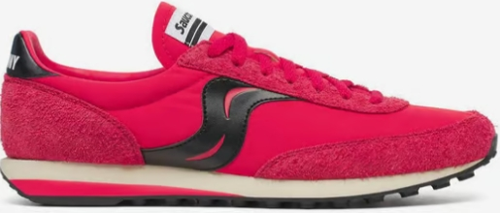 | S70883-4 | TRAINER 80 | RED/BLACK | UNISEX | 5 | 5 | 3 | 3 | 12 | 12 | 12 | 14 | 16 | 15 | 19 | 19 | 20 | 22 | 15 | 15 | 8 | 6 |  | 221 | € 120.00 | € 60.00
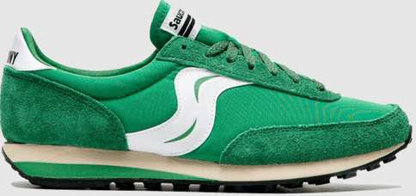 | S70883-5 | TRAINER 80 | GREEN/WHITE | UNISEX | 5 | 5 | 4 | 6 | 11 | 12 | 15 | 15 | 14 | 14 | 16 | 15 | 26 | 27 | 12 | 12 | 11 | 1 |  | 221 | € 120.00 | € 60.00
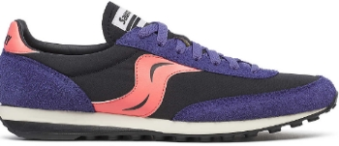 | S70883-6 | TRAINER 80 | PURPLE/CORAL | UNISEX | 3 | 3 | 3 | 3 | 5 | 6 | 6 | 6 | 7 | 7 | 6 | 6 | 17 | 16 | 3 | 3 |  |  |  | 100 | € 120.00 | € 60.00
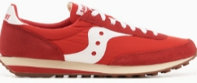 | S70884-1 | TRAINER 80 | RED/WHITE | UNISEX | 3 | 1 |  |  | 2 | 3 |  | 5 | 16 | 30 | 62 | 54 | 87 | 53 | 72 | 27 | 43 | 14 |  | 472 | € 100.00 | € 50.00
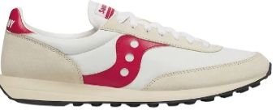 | S70884-10 | TRAINER 80 | WHITE/RED | UNISEX | 5 |  | 9 | 5 | 11 | 20 | 23 | 24 | 42 | 32 | 73 | 43 | 83 | 37 | 86 | 27 | 37 | 15 |  | 572 | € 100.00 | € 50.00
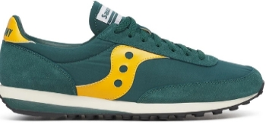 | S70884-11 | TRAINER 80 | GREEN/YELLOW | UNISEX | 7 | 1 | 5 | 1 | 7 | 7 | 10 | 6 | 8 | 6 | 12 | 3 | 11 | 3 | 15 | 6 | 5 | 7 | 1 | 121 | € 100.00 | € 50.00
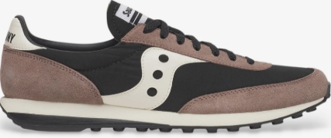 | S70884-12 | TRAINER 80 | BLACK/TAN | UNISEX | 6 | 6 | 7 | 6 | 5 | 3 | 9 | 10 | 9 | 9 | 9 | 7 | 5 | 6 | 3 | 7 | 7 | 5 | 6 | 125 | € 100.00 | € 50.00
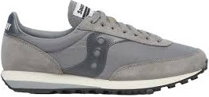 | S70884-13 | TRAINER 80 | GREY/GREY | UNISEX | 4 | 4 | 4 | 3 | 3 | 4 | 9 | 7 | 13 | 9 | 16 | 9 | 18 | 9 | 18 | 6 | 4 | 4 | 4 | 148 | € 100.00 | € 50.00
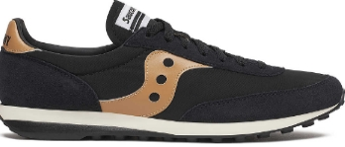 | S70884-14 | TRAINER 80 | BLACK/GOLD | UNISEX | 4 | 4 | 10 | 3 | 8 | 4 | 15 | 12 | 24 | 15 | 15 | 15 | 18 | 15 | 13 | 12 | 9 | 4 | 4 | 204 | € 100.00 | € 50.00
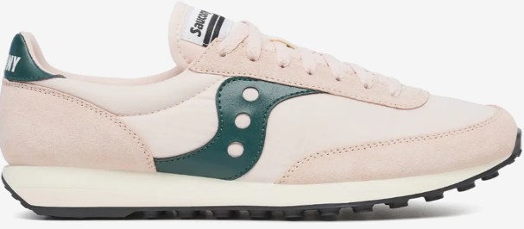 | S70884-15 | TRAINER 80 | PINK/GREEN | UNISEX |  |  | 3 | 3 | 5 | 6 | 13 | 3 | 16 | 11 | 20 | 19 | 15 | 19 | 16 | 6 | 2 |  |  | 157 | € 100.00 | € 50.00
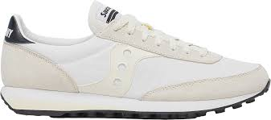 | S70884-16 | TRAINER 80 | WHITE/OFF WHITE | UNISEX | 9 | 9 | 9 | 9 | 9 | 9 | 16 | 15 | 24 | 21 | 22 | 21 | 26 | 19 | 24 | 13 | 7 | 3 | 3 | 268 | € 100.00 | € 50.00
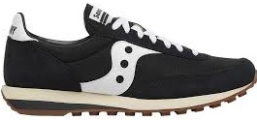 | S70884-2 | TRAINER 80 | BLACK/WHITE | UNISEX | 4 | 6 | 3 | 25 |  | 38 | 6 | 33 | 12 | 73 | 83 | 103 | 99 | 85 | 76 | 34 | 41 | 9 | 3 | 733 | € 100.00 | € 50.00
 | S70884-3 | TRAINER 80 | ROYAL/WHITE | UNISEX | 3 | 6 | 12 | 15 | 34 | 30 | 53 | 35 | 60 | 41 | 96 | 60 | 125 | 60 | 105 | 31 | 69 | 5 | 2 | 842 | € 100.00 | € 50.00
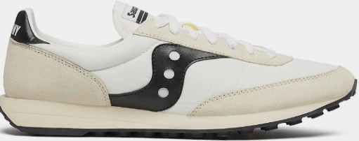 | S70884-9 | TRAINER 80 | WHITE/BLACK | UNISEX | 5 | 5 | 7 | 2 | 19 | 14 | 27 | 25 | 32 | 79 | 42 | 90 | 87 | 37 | 45 | 37 | 20 | 13 | 4 | 590 | € 100.00 | € 50.00
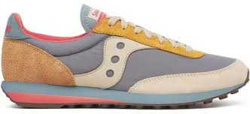 | S70985-1 | TRAINER 80 | BLUE/TAN | UNISEX | 4 | 3 | 3 | 4 | 10 | 6 | 18 | 11 | 16 | 12 | 20 | 22 | 16 | 18 | 2 | 4 | 2 |  | 1 | 172 | € 120.00 | € 60.00
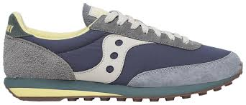 | S70985-2 | TRAINER 80 | NAVY/GREY | UNISEX | 5 | 3 | 3 | 8 | 11 | 11 | 16 | 12 | 12 | 11 | 14 | 19 | 12 | 9 | 5 | 2 | 3 | 1 |  | 157 | € 120.00 | € 60.00
 |  |  |  |  | 5 | 5.5 | 6 | 6.5 | 7 | 7.5 | 8 | 8.5 | 9 | 9.5 | 10 | 11 | 12
 |  |  |  |  | 35.5 | 36 | 37 | 37.5 | 38 | 38.5 | 39 | 40 | 40.5 | 41 | 42 | 43 | 44.5
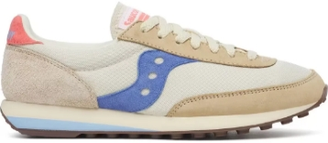 | S60987-1 | TRAINER 80 | CREAM/BLUE | DONNA | 4 | 6 | 2 | 10 | 3 | 12 | 1 | 13 | 7 | 12 | 6 |  | 6 |  |  |  |  |  |  | 82 | € 120.00 | € 60.00
 |  |  |  |  |  |  |  |  |  |  |  |  |  |  |  |  |  |  |  |  |  |  |  | 5739

